TOC
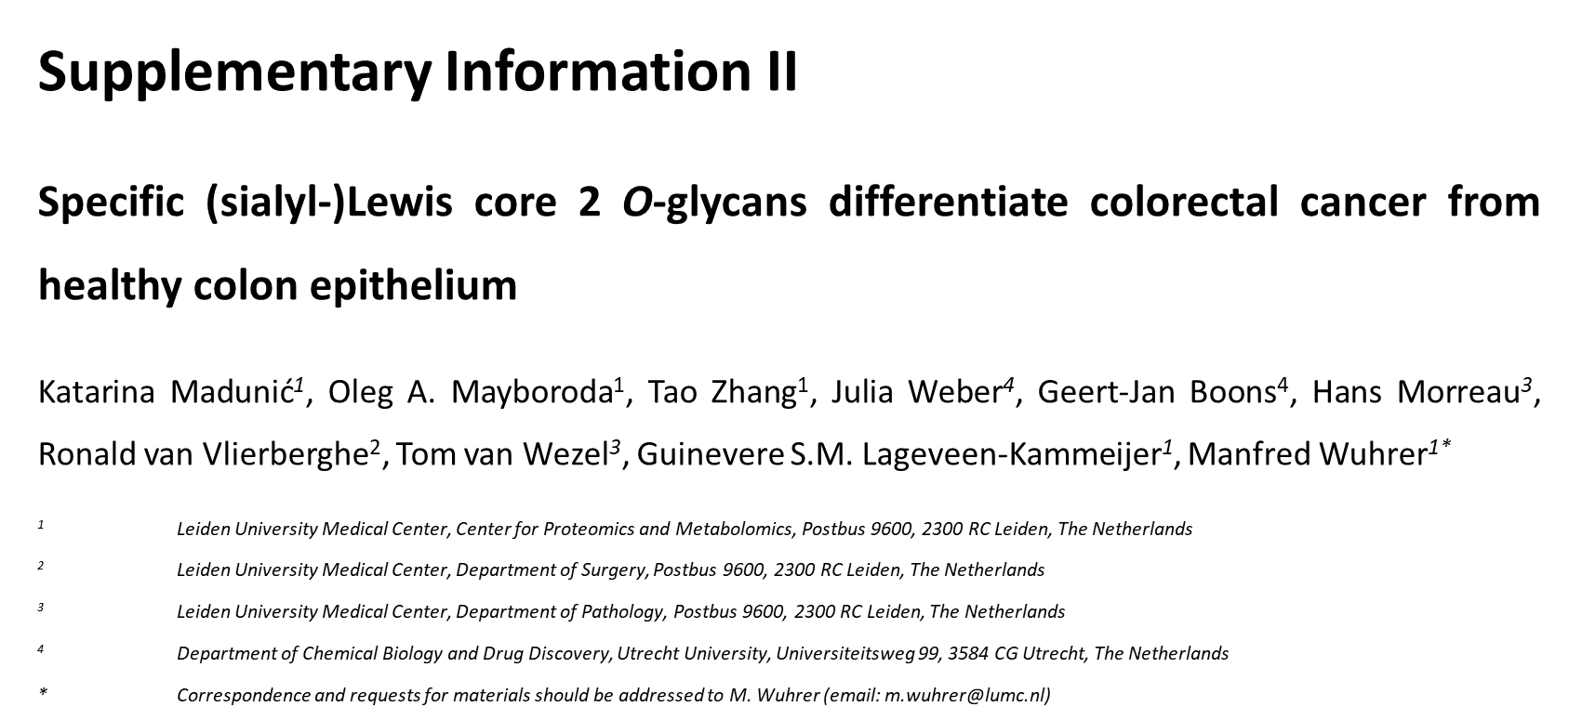
Table of Contents
Supplementary Table S-1: | Description of the sample cohort.

Supplementary Table S-2: | Characteristics of the patient cohort

Supplementary Table S-3: | Peak areas, S/N and FWHM of individual glycans detected in each sample

Supplementary Table S-4: | Overview of individual O-linked glycans present in colorectal cancer tissues with their relative abundances.

Supplementary Table S-5: | Relative frequencies of glycans detected in tumors and stroma with no expression in the normal colon controls.

Supplementary Table S-6: | Comparions of relative frequencies of glycans with highest specificity for tumors in invasive and non invasive carcinoma

Supplementary Table S-7: | Relative abundances of the TACAs with highest specificity in cancer.

Supplementary Table S-8: | Wilcoxon rank-sum test (Mann-Whitney) statistical test comparison of individual glycans between 2 groups- tumors (TM) and normal mucosa controls (C). Each glycan isomer is labeled by its monosaccharide composition, with a letter indicating different isomers a-f. H- hexose; N- N-acetylhexosamine; F- deoxyhexose; S- N-acetylneuraminic acid;

Supplementary Table S-9: | Calculated structural glycan features for each sample.

Supplementary Table S-10: | Wilcoxon rank-sum test (Mann-Whitney) statistical test comparison of structural glycan features between 2 groups- tumors (TM) and normal mucosa controls (C).

Supplementary Table S-11: | Determination of peak ratios of 2 baseline separated isomers with composition H2N2F1S1 (isomer c and f).

